4Cows
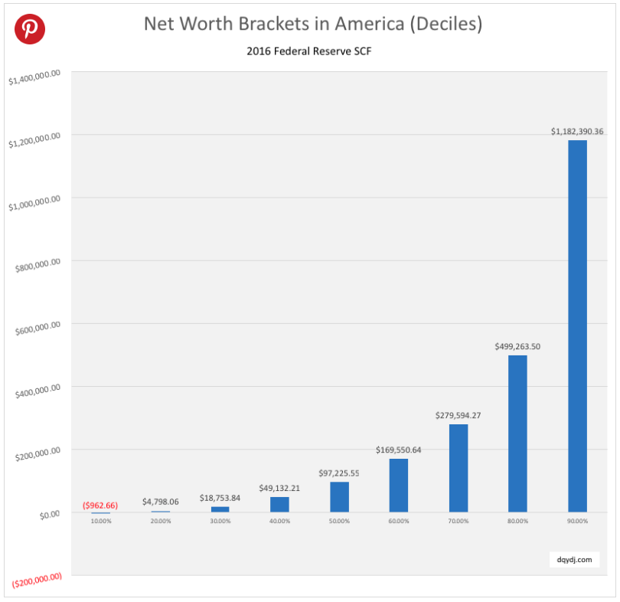
What will each cow do now?
How The Cows Build Their Wealth - Leaving out Owny a Moment
Investing in Stocks
grows your money.
The 4 Cows
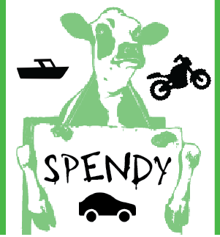 | Does w/ Money | Year 0 | Year 1 | Year 2 | Year 3 | Year 4 | Year 5
 | Has at the beginning |  | $100.00 | $100.00 | $60.00 | $20.00 | $50.00
 | Makes at Chic-Fil-A |  | $100.00 | $100.00 | $100.00 | $100.00 | $100.00
 | Expenses (rent, food, clothes, electricity,…) |  | -$70.00 | -$70.00 | -$70.00 | -$70.00 | -$70.00
 | Spends on extra, super fun things |  | -$30.00 | -$70.00 | -$70.00 |  | -$60.00
Spendy | Owns | Savings | $100.00 | $60.00 | $20.00 | $50.00 | $20.00
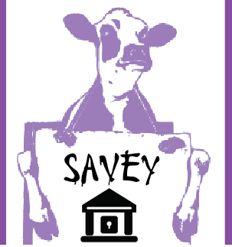 |  | Fun stuff | motorcycle | boat | pool
Savings
protects
your
money.
(sort of)
 | Wealth | $100.00 | $100.00 | $60.00 | $20.00 | $50.00 | $20.00
 |  | House |  |  | Replacement House
 |  |  |  |  | Savings | $50.00
 |  |  |  |  | Other | $55.00
 |  |  |  |  | Has | $105.00
 |  |  |  |  | House Costs | -$220.00
Could not afford new house. Living with Mom ("Elsie").
 |  |  |  |  | Left Over | -$115.00

 | Does w/ Money | Year 0 | Year 1 | Year 2 | Year 3 | Year 4 | Year 5
 | Has at the beginning |  | $100.00 | $130.00 | $160.00 | $190.00 | $220.00
 | Makes at Chic-Fil-A |  | $100.00 | $100.00 | $100.00 | $100.00 | $100.00
 | Expenses (rent, food, clothes, electricity,…) |  | -$70.00 | -$70.00 | -$70.00 | -$70.00 | -$70.00
 | Spends on extra, super fun things
Savey | Owns | Savings | $130.00 | $160.00 | $190.00 | $220.00 | $250.00
 | Wealth | $100.00 | $130.00 | $160.00 | $190.00 | $220.00 | $250.00
 |  | House |  |  |  | New House
 |  |  |  |  | Replacement House
 |  |  |  |  | Savings | $220.00
 |  |  |  |  | Other | $0.00
 |  |  |  |  | Has | $220.00
 |  |  |  |  | House Costs | -$220.00
How The Cows Build Their Wealth
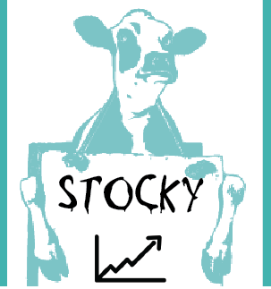 |  |  |  |  | Left Over | $0.00 | broke even

 | Does w/ Money | Year 0 | Year 1 | Year 2 | Year 3 | Year 4 | Year 5

Investing in a Business
REALLY
Grows Your
Money
 | Has at the beginning |  | $100.00 | $110.00 | $110.00 | $100.00 | $130.00
 | Makes at Chic-Fil-A |  | $100.00 | $100.00 | $100.00 | $100.00 | $100.00
 | Expenses (rent, food, clothes, electricity,…) |  | -$70.00 | -$70.00 | -$70.00 | -$70.00 | -$70.00
 | Spends on extra, super fun things
 | Invests in Stocks |  | -$20.00 | -$30.00 | -$40.00 | $0.00 | -$30.00
Stocky | Owns | Savings | $110.00 | $110.00 | $100.00 | $130.00 | $130.00

Investing in Stocks
Stocks
 |  | Starting Stock |  | $20.00 | $55.00 | $115.00 | $125.00
 |  | Grew |  | $5.00 | $20.00 | $10.00 | $15.00
 |  | Invested |  | $30.00 | $40.00 | $0.00 | $30.00
 |  | Ending Stock | $20.00 | $55.00 | $115.00 | $125.00 | $170.00
Savings
 | Wealth | $100.00 | $130.00 | $165.00 | $215.00 | $255.00 | $300.00
 |  | House |  |  |  | New House
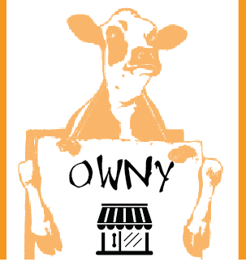 |  |  |  |  | Replacement House
 |  |  |  |  | Savings | $130.00
 |  |  |  |  | Other | $125.00
 |  |  |  |  | Has | $255.00
 |  |  |  |  | House Costs | -$220.00
 |  |  |  |  | Left Over | $35.00 | extra buffer

 | Does w/ Money | Year 0 | Year 1 | Year 2 | Year 3 | Year 4 | Year 5

 | Has at the beginning |  | $0.00 |  | $910.00 | $1,320.00 | $1,730.00
 | Makes at Chic-Fil-A |  | $0.00 | $1,000.00 | $1,000.00 | $1,000.00 | $1,000.00
 | Expenses (rent, food, clothes, electricity,…) |  | -$90.00 | -$90.00 | -$590.00 | -$590.00 | -$90.00
 | Spends on extra, super fun things
 | Invests in a Business |  | -$1,000.00 |  |  |  | -$1,000.00
Owny | Owns | Savings | -$1,090.00 | $910.00 | $1,320.00 | $1,730.00 | $1,640.00

 |  |  |  |  | Loan Payback | Loan Paid Off!! | Bought 2nd restaurant
 |  | Restaurant Value | $1,000.00 | $1,000.00 | $1,000.00 | $500.00
 |  | Loan | -$1,000.00 | -$1,000.00 | -$500.00 | -$500.00
 |  | How much Owny REALLY owns | $0.00 | $0.00 | $500.00 | $1,000.00 | $2,000.00
 | Wealth | $100.00 | -$1,090.00 | $910.00 | $820.00 | $1,730.00 | $3,640.00
 |  | House |  |  |  | New House
 |  |  |  |  | Replacement House
 |  |  |  |  | Savings | $1,730.00
 |  |  |  |  | Other | $0.00
 |  |  |  |  | Has | $1,730.00
 |  |  |  |  | House Costs | -$220.00
 |  |  |  |  | Left Over | $1,510.00

Cow's Total Money Without Hurricane Chicken |  | Year 0 | Year 1 | Year 2 | Year 3 | Year 4 | Year 5
Spendy |  | $100.00 | $100.00 | $60.00 | $20.00 | $50.00 | $20.00
Savey |  | $100.00 | $130.00 | $160.00 | $190.00 | $220.00 | $250.00
Stocky |  | $100.00 | $130.00 | $165.00 | $215.00 | $255.00 | $300.00
Owny |  | $100.00 | -$1,090.00 | $910.00 | $820.00 | $1,730.00 | $3,640.00

What Can Each Cow Do To Get Better With Money?
Spendy
Savey
Stocky
Owny

What Did We Learn?
1
2
3
4
5

